Intro
Template for a District Summary Spreadsheet
for Use with the PLACE QGIS Mapping Tool
MEASURE Evaluation—a project funded by the United States Agency for International Development (USAID) and the United States President’s Emergency Plan for AIDS Relief—has developed a free Priorities for Local AIDS Control Efforts (PLACE) QGIS Mapping Tool. As of July 2019, the tool offered base map information and data templates for 14 countries: Angola, Burundi, Côte d’Ivoire, the Democratic Republic of the Congo, Ghana, Haiti, Kenya, Malawi, Mozambique, Rwanda, South Africa, eSwatini, Tanzania, and Uganda.
QGIS is a free and full-featured geographic information system (GIS). The mapping tool was designed to work specifically with the PLACE protocol (a sample is available here: https://www.measureevaluation.org/resources/tools/hiv-aids/place). The tool can be downloaded on the MEASURE Evaluation website at https://www.measureevaluation.org/resources/tools/hiv-aids/place/place-method/the-place-mapping-tool-a-plug-in-for-gis.
Standard shapefiles and reference numbers for each area allow greater use of the PLACE data after the data are collected, and permit other data to be displayed on the maps created by PLACE.
The next step in the selection of areas is to compile information at the selected level for all areas in the country based on a review of available surveillance data, routine health and program data, donor priorities, and input from stakeholders. For example, if districts are the administrative level that will be used to select areas, compile district-level information.
Use this District Summary Spreadsheet template, in Microsoft Excel. to enter these data. (If another level is selected, such as wards or provinces or parishes, the spreadsheet should be updated to match the selected administrative level, and mapping files containing the geometry for these levels may need to be acquired elsewhere.) If districts will be selected, list the name of each one in column B. The first column (A) must have the standard identification number code in order to be used with the mapping tool. The QGIS PLACE Mapping Tool that is often used to make maps from PLACE data calls the identification “QJOIN.” These IDs are in this spreadsheet template and other templates that are included with the tool.
Collect and synthesize epidemiological, demographic, and other relevant district-level data of interest for your PLACE study on the spreadsheet. In many cases, the health ministry, United States Centers for Disease Control and Prevention, and USAID may already have these files available. The spreadsheet can include demographic information (population size, urbanicity), HIV epidemic indicators, and treatment indicators.
The advantage of recording these data in the spreadsheet template is that they can then be mapped using the QGIS PLACE Mapping Tool. Maps can facilitate selecting where to implement the PLACE method and interpreting the findings.
District-level surveillance, population, and routine program indicators that may be available and of interest are:
● HIV prevalence estimates by age, sex, and population group
● Prevention of mother-to-child transmission (PMTCT) prevalence estimates for pregnant women
● Estimates of the number of people living with HIV, syphilis, and tuberculosis
● Estimates of the number of people on ART
● Estimates of the number of people on treatment who have achieved viral suppression
● Population indicators, by age and sex
● Number of key population members (if known)
● Program coverage indicators
A country’s National Steering Committee for a PLACE study should also specify the package of services and structural interventions that should be available in each district. The PLACE study will confirm whether these services are available to people at PLACE venues.

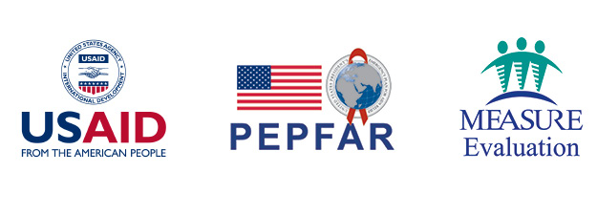
This publication was produced with the support of the United States Agency for International Development (USAID) under the terms of MEASURE Evaluation cooperative agreement AID-OAA-L-14-00004. Views expressed are not necessarily those of USAID or the United States government. TL-19-45

